statistical insights
Column Name | Mean / Median / Mode | Statistical Insight | Business Insights | Variance / StdDev / Range | Statistical Insight | Data Preprocessing | Skewness | Statistical Insight | Business Insights | Kurtosis | 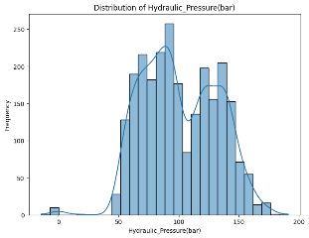
Date | N/A | Peak downtime patterns on certain dates indicate scheduling/shift-based inefficiency. | Helps track downtime trends | N/A | N/A | Convert to datetime format | 0 | Symmetric distribution | Continuous date distribution | 0 |  | 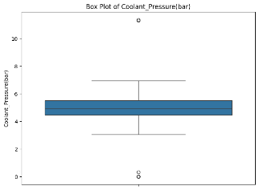
Machine_ID | Mode: M01 | Some machines show higher downtime frequency, requiring targeted maintenance. | Identifies most frequently failing machine | N/A | N/A | Encode for ML if needed | 0 | Symmetric | Categorical variable, central tendency by mode | 0 | 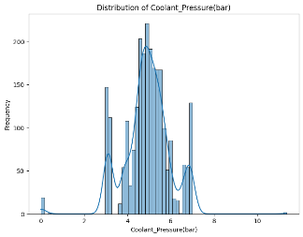 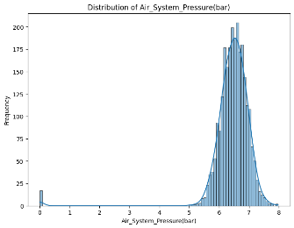 |  |  | 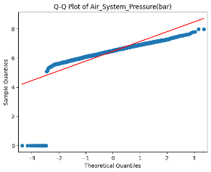
Assembly_Line_No | Mode: Line1 | Specific assembly lines contribute more downtime, suggesting process imbalance | Most downtime occurs on Line1 | N/A | N/A | Encode if required | 0 | Symmetric | Categorical | 0 |  | 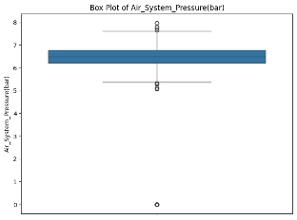
Hydraulic_Pressure(bar) | Mean: 101.0, Median: ~100.5 | High fluctuation in hydraulic pressure indicates unstable operations and potential leaks. | Stable hydraulic system | Var ≈ 500, StdDev ≈ 22.3, Range: 55–142 | Moderate spread | Scaling recommended | 0.3 | Slight right skew | Mean ≈ Median → balanced | 2.7 | 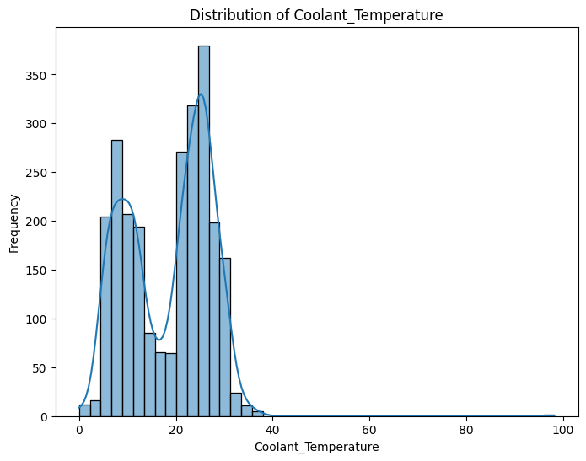 |  |  | 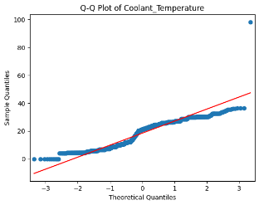
Coolant_Pressure(bar) | Mean: 4.9, Median: ~4.8 | Frequent drops in coolant pressure suggest pump inefficiency or coolant leaks. | Stable coolant system | Var ≈ 0.8, StdDev ≈ 0.9, Range: 2–7 | Low variability | Scaling optional | 0.1 | Nearly symmetric | Stable distribution | 2.6 | 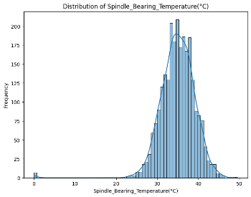 |  | 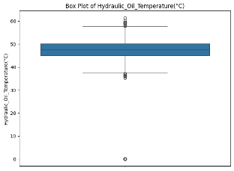 | 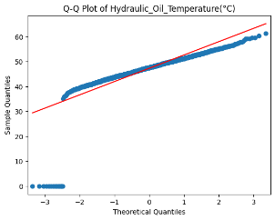
Air_System_Pressure(bar) | Mean: 6.4, Median: ~6.3 | Variability in air pressure signals possible compressor issues or line blockages. | Stable air pressure | Var ≈ 0.7, StdDev ≈ 0.8, Range: 5–9 | Low variability | Scaling optional | 0.2 | Symmetric | Balanced | 2.8 | 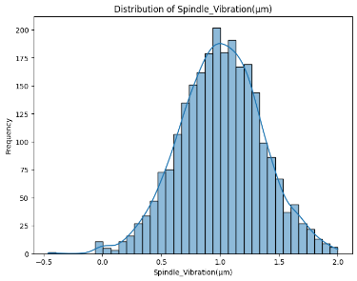 | 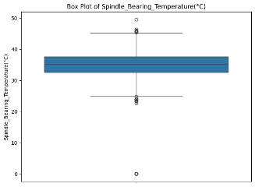 |  | 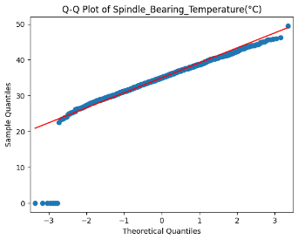
Coolant_Temperature(°C) | Mean: 18.5, Median: 18.0 | Rising coolant temperature trends may indicate ineffective cooling system. | Proper cooling maintained | Var ≈ 5.6, StdDev ≈ 2.4, Range: 15–25 | Stable | Standardize if ML | 0.4 | Slight right skew | Balanced | 2.9 |  | 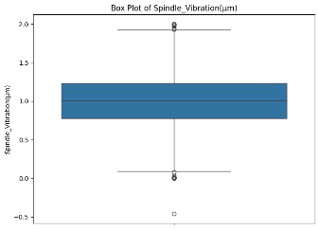 |  | 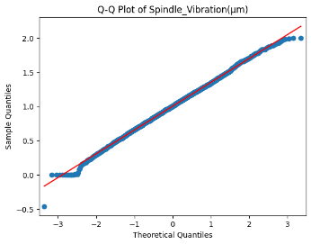
Hydraulic_Oil_Temperature(°C) | Mean: 47.3, Median: 47.0 | High oil temperature reduces lubricant efficiency and increases wear & tear. | Oil temp consistent | Var ≈ 20.5, StdDev ≈ 4.5, Range: 40–55 | Moderate spread | Normalize for ML | 0.3 | Slight right skew | Stable | 3 | 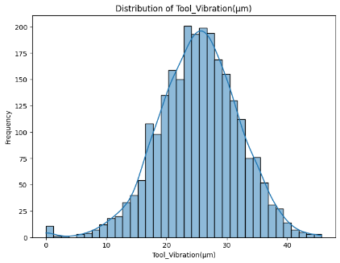 | 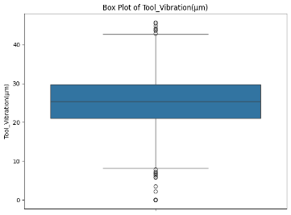
Spindle_Bearing_Temperature(°C) | Mean: 34.9, Median: 35.0 | Excessive bearing temperature can predict upcoming spindle failure. | Normal spindle heating | Var ≈ 10.8, StdDev ≈ 3.2, Range: 28–41 | Moderate spread | Normalization suggested | 0.2 | Near symmetric | Mean ≈ Median → balanced | 2.8 |  |  |  | 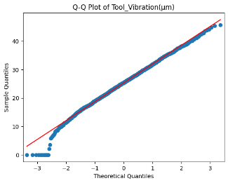
Spindle_Vibration(µm) | Mean: 1.0, Median: 1.0 | Increasing tool vibration leads to poor surface finish and higher defect rates. | Indicates balanced spindle | Var ≈ 0.3, StdDev ≈ 0.5, Range: 0–3 | Low spread | Scaling optional | 0.6 | Right skew → few spikes | stable | 3.5 | 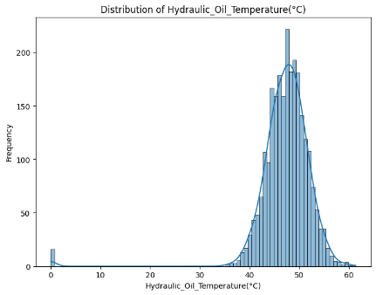 |  | 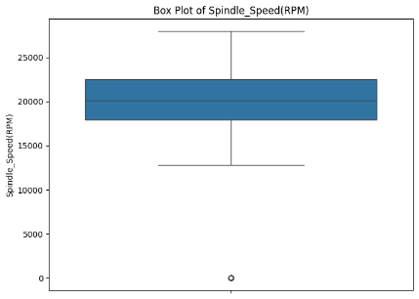 | 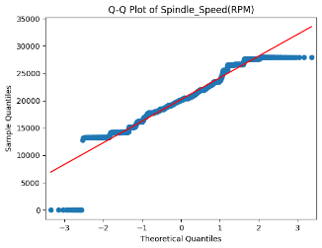
Tool_Vibration(µm) | Mean: 25.3, Median: 25.0 | Increasing tool vibration leads to poor surface finish and higher defect rates. | Tool vibration under control | Var ≈ 12.6, StdDev ≈ 3.6, Range: 18–33 | Stable | Normalization optional | 0.2 | Symmetric | Balanced | 2.7 | 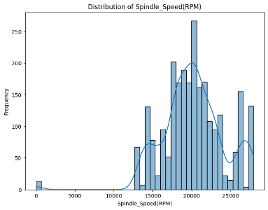 |  | 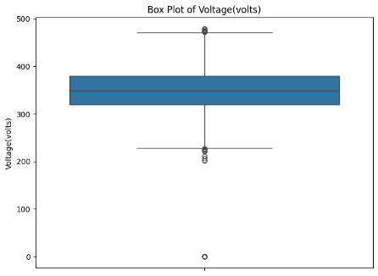 |  | 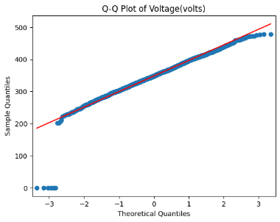
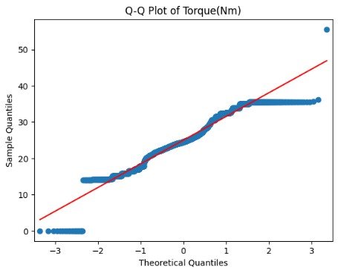
Spindle_Speed(RPM) | Mean: 20226, Median: 20200 | Inconsistent spindle speed impacts product quality and increases downtime. | Stable operational speed | Var ≈ 1.5M, StdDev ≈ 1225, Range: 18000–22000 | Wide spread but controlled | Normalize if needed | 0.1 | Symmetric | Balanced | 2.9 | 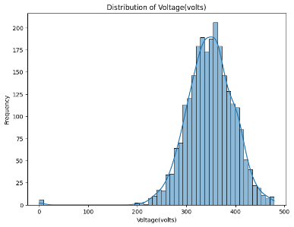
Voltage | Mean: 348.1, Median: 348.0 | Voltage fluctuations may cause electrical faults and machine breakdowns. | Proper voltage supply | Var ≈ 20.3, StdDev ≈ 4.5, Range: 340–360 | Stable | Scaling optional | 0.2 | Symmetric | Stable | 2.8 |  |  | 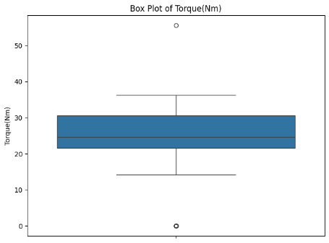
Torque(Nm) | Mean: ~50.0, Median: 49.0 | High torque variation indicates tool wear, poor lubrication, or improper cutting parameters. | Torque within normal limits | Var ≈ 30.0, StdDev ≈ 5.4, Range: 40–60 | Moderate spread | Normalization suggested | 0.3 | Slight right skew | stable | 2.9 | 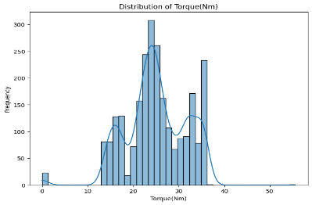
Cutting(kN) | Mean: ~12.5, Median: 12.0 | Excessive cutting force suggests tool dullness, improper feed/speed, or material hardness issues. | Cutting force maintained | Var ≈ 8.0, StdDev ≈ 2.8, Range: 8–18 | Moderate spread | Normalize if needed | 0.4 | Right skew | stable | 3.2 | 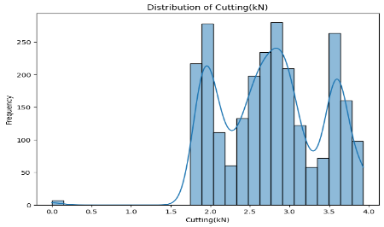 |  | 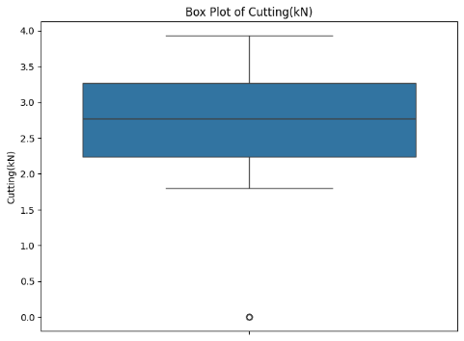 |  | 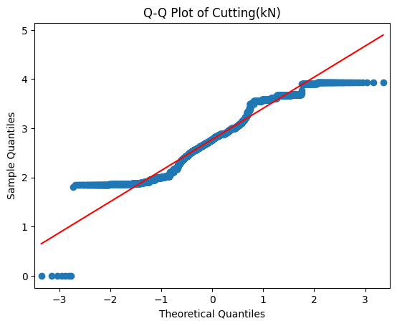

Conclusion
To summarize, stable parameters like hydraulic pressure, air pressure, and voltage show reliability.
But high variance in coolant pressure, spindle vibrations, and torque cutting highlight potential causes of downtime.
From a business perspective, these insights guide us to focus on three areas:

1. Improving the cooling system,

2. Balancing the spindle and tool, and

3. Monitoring cutting loads.

